Instructions
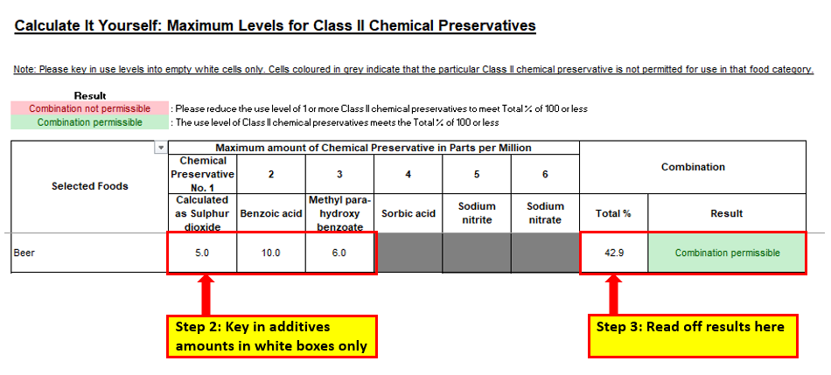
Calculate It Yourself: Maximum Levels for Class II Chemical Preservatives

NOTE: This calculator is meant to provide guidance on the maximum permitted level of each Class II chemical preservative used in food, especially when an admixture of two or more of those chemical preservatives are used. It is not intended as an approval for the sale of food containing Class II preservatives in Singapore. Food traders are responsible to ensure that all food products that they intend to make available for sale in Singapore fully comply with the standards and requirements of the Sale of Food Act and its Food Regulations.

1. Introduction

Under Regulation 19(3)(b)(ii) of the Food Regulations, when an admixture of more than one Class II chemical preservative is used in the same food, the sum of the amount of each Class II chemical preservative used (expressed as a percentage of the maximum permitted level for that food category) must not exceed 100%. The percentage usage level for each Class II chemical preservative in an admixture may be calculated using the formula below:
$\frac{Amount of permitted Class II Chemical Preservative added \left(ppm\right)}{Maximum permitted level of Class II Chemical Preservative (ppm)}$ x 100%
Example: An admixture of permitted Class II Chemical Preservatives, (Chemical X + Chemical Y + ….) were used in the same food product

$\frac{Amount of Chemical Preservative X added (ppm)}{Maximum permitted level of Chemical Preservative X (ppm)}+$ $\frac{Amount of Chemical Preservative Y added (ppm)}{Maximum permitted level of Chemical Preservative Y (ppm)}+ … ×100\% ≤100\%$

*parts per million (ppm) is equivalent to milligrams per kilogram (mg/kg) or milligrams per litre (mg/L)

2. How to use to Excel spreadsheet to interpret results

Permitted Class II chemical preservatives are as follows:
INS Number | E Number | Additive Name | Calculated As
220 | 220 | Sulphur dioxide | Sulphur dioxide
221 | 221 | Sodium sulfite
222 | 222 | Sodium hydrogen sulfite
223 | 223 | Sodium metabisulfite
224 | 224 | Potassium metabisulphite
225 | NA | Potassium sulfite
226 | 226 | Calcium sulfite
227 | 227 | Calcium hydrogen sulfite
228 | 228 | Potassium bisulfite
539 | - | Sodium thiosulfate
- | - | Sulphurous acid
210 | 210 | Benzoic acid | Benzoic acid
211 | 211 | Sodium benzoate
212 | 212 | Potassium benzoate
218 | 218 | Methyl para-hydroxybenzoate | Methyl para-hydroxy benzoate
219 | 219 | Sodium methyl para-hydroxybenzoate
200 | 200 | Sorbic acid | Sorbic acid
201 | - | Sodium sorbate
202 | 202 | Potassium sorbate
203 | 203 | Calcium sorbate
249 | 249 | Potassium nitrite | Sodium nitrite
250 | 250 | Sodium nitrite
251 | 251 | Sodium nitrate | Sodium nitrate
252 | 252 | Potassium nitrate

